Water and Waste
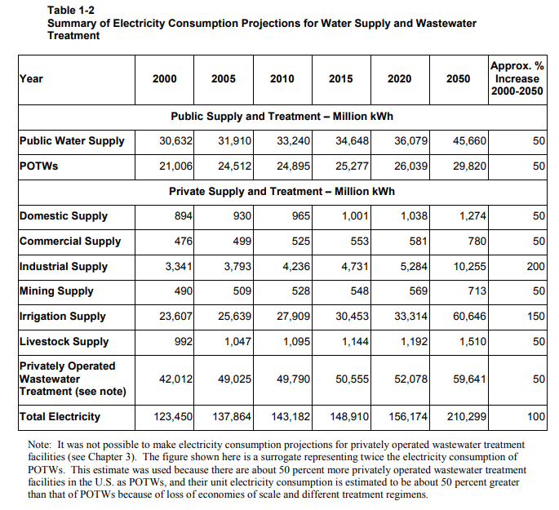
Water and waste energy use is not available in EIA AEO. | 3412.14 | btu per kwh
We assume energy use is dominated by water and wastewater treatment, not
solid waste disposal. We also assume all energy used for water treatment is
in the form of electricity.

We use data from Sanders and Webber and scale up water demand by population.

Water treatment energy use (T BTU)
 | 2019 | 2020 | 2021 | 2022 | 2023 | 2024 | 2025 | 2026 | 2027 | 2028 | 2029 | 2030 | 2031 | 2032 | 2033 | 2034 | 2035 | 2036 | 2037 | 2038 | 2039 | 2040 | 2041 | 2042 | 2043 | 2044 | 2045 | 2046 | 2047 | 2048 | 2049 | 2050
U.S. Population | 327,892,000 | 330269000 | 332639000 | 334998000 | 337342000 | 339665000 | 341963000 | 344234000 | 346481000 | 348695000 | 350872000 | 353008000 | 355101000 | 357147000 | 359147000 | 361099000 | 363003000 | 364862000 | 366676000 | 368448000 | 370179000 | 371871000 | 373528000 | 375152000 | 376746000 | 378314000 | 379861000 | 381390000 | 382907000 | 384415000 | 385918000 | 387419000
U.S. Population (2000) | 282,200,000
2000 Primary Energy (assumed to be elec.) kwh | 123450000000
2001 Primary Energy (assumed to be elec.) btu | 421228683000000
Primary Energy Use (assumed to be elec.) | 4.89E+14 | 4.93E+14 | 4.97E+14 | 5.00E+14 | 5.04E+14 | 5.07E+14 | 5.10E+14 | 5.14E+14 | 5.17E+14 | 5.20E+14 | 5.24E+14 | 5.27E+14 | 5.30E+14 | 5.33E+14 | 5.36E+14 | 5.39E+14 | 5.42E+14 | 5.45E+14 | 5.47E+14 | 5.50E+14 | 5.53E+14 | 5.55E+14 | 5.58E+14 | 5.60E+14 | 5.62E+14 | 5.65E+14 | 5.67E+14 | 5.69E+14 | 5.72E+14 | 5.74E+14 | 5.76E+14 | 5.78E+14

